TPort Hydrogen Calcs
Recalculating H2 prices for transportation
BTU/ft3 | gms/ft3 | BTU/kg
343 | 2.55 | 134509.80392

2020 Euro per kg hydrogen
2020 | 11 | EUR2020/kg |  | 11.0376013 | USD2012/kg
2030 | 7 | EUR2020/kg |  | 7.0239281 | USD2012/kg
2050 | 5 | EUR2020/kg |  | 5.0170915 | USD2012/kg

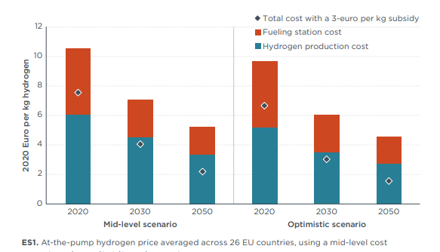

USD/BTU
2020 | 8.21E-05
2030 | 5.22E-05
2050 | 3.73E-05

2020 | 2021 | 2022 | 2023 | 2024 | 2025 | 2026 | 2027 | 2028 | 2029 | 2030 | 2031 | 2032 | 2033 | 2034 | 2035 | 2036 | 2037 | 2038 | 2039 | 2040 | 2041 | 2042 | 2043 | 2044 | 2045 | 2046 | 2047 | 2048 | 2049 | 2050
8.21E-05 | 7.91E-05 | 7.61E-05 | 7.31E-05 | 7.01E-05 | 6.71E-05 | 6.42E-05 | 6.12E-05 | 5.82E-05 | 5.52E-05 | 5.22E-05 | 5.15E-05 | 5.07E-05 | 5.00E-05 | 4.92E-05 | 4.85E-05 | 4.77E-05 | 4.70E-05 | 4.63E-05 | 4.55E-05 | 4.48E-05 | 4.40E-05 | 4.33E-05 | 4.25E-05 | 4.18E-05 | 4.10E-05 | 4.03E-05 | 3.95E-05 | 3.88E-05 | 3.80E-05 | 3.73E-05

TPort Electricity Calcs
Data from Lanz et al 2022
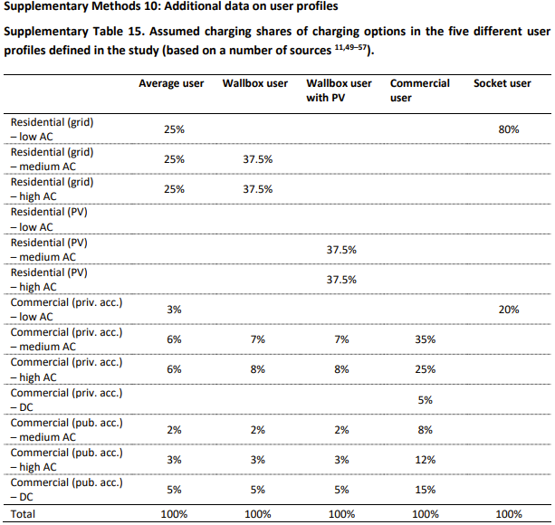
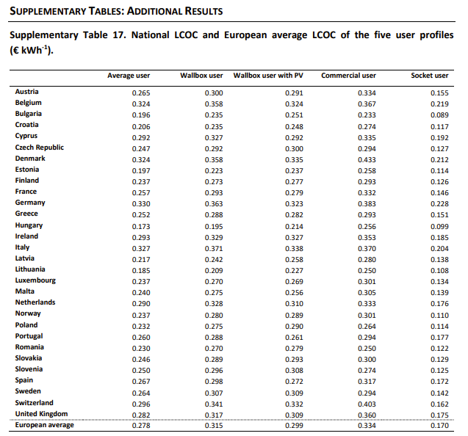
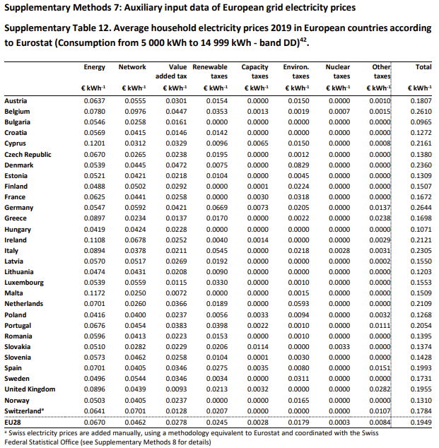
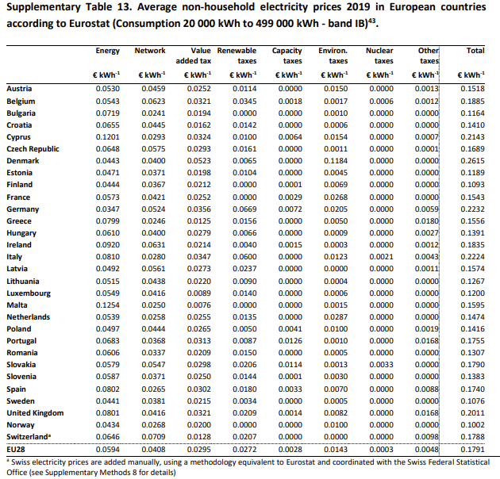

 |  |  |  |  |  | Average User |  |  |  |  | Energy | Network | VAT | Renewable Tax | Capacity Tax | Environ Tax | Nuclear Tax | Other Tax | Total | Energy | Network | VAT | Renewable Tax | Capacity Tax | Environ Tax | Nuclear Tax | Other Tax | Total
Levelized Cost of Charging (LCOC) [EUR2019/kWh] |  |  |  | European Average |  | 0.278 |  |  |  |  | 0.067 | 0.0462 | 0.0278 | 0.0245 | 0.0028 | 0.0179 | 0.0003 | 0.0084 | 0.1949 | 0.0594 | 0.0408 | 0.0295 | 0.0272 | 0.0028 | 0.0143 | 0.0003 | 0.0048 | 0.1791
Average User | € 0.28 |  |  |  |  |  |  |  |  |  |  |  |  |  |  |  |  |  | 0.41918932786 |  |  |  |  |  |  |  |  | 0.4405360134
Wallbox User | € 0.32
Wallbox User with PV | € 0.30
Commercial User | € 0.33 |  |  | https://ec.europa.eu/eurostat/databrowser/view/nrg_pc_204_c__custom_10816551/default/table?lang=en
Socket User | € 0.17 |  |  | NRG_PRC (Labels) | Energy and supply |  | Network costs | Taxes, fees, levies and charges | Value added tax (VAT) | Renewable taxes |  | Capacity taxes |  | Environmental taxes |  | Nuclear taxes |  | Other
 |  |  |  | TIME
Levelized Cost of Charging (LCOC) [USD2012/BTU] |  | To 2021 elec price | LCOC minus tax: | 2017 | 0.0603 |  | 0.0568 | : | : | : |  | : |  | : |  | : |  | :
Average User | 8.22E-05 | 8.50E-05 | 5.65E-05 | 2018 | 0.0669 |  | 0.0575 | : | : | : |  | : |  | : |  | : |  | :
Wallbox User | 9.31E-05 |  |  | 2019 | 0.0685 |  | 0.0601 | 0.0887 | 0.0336 | 0.0266 |  | 0.0033 |  | 0.0183 |  | 0.0003 |  | 0.0066
Wallbox User with PV | 8.84E-05 |  |  | 2020 | 0.0684 |  | 0.0627 | 0.0861 | 0.0328 | 0.0266 |  | 0.0033 |  | 0.0162 |  | 0.0004 |  | 0.0068
Commercial User | 9.87E-05 |  |  | 2021 | 0.0855 |  | 0.0617 | 0.0842 | 0.0334 | 0.0247 |  | 0.0033 |  | 0.0164 |  | 0.0002 |  | 0.0062
Socket User | 5.02E-05 |  |  | 2022 | 0.1430 |  | 0.0661 | 0.0520 | 0.0346 | 0.0095 |  | 0.0039 |  | 0.0078 |  | 0.0000 |  | -0.0039
 |  |  |  | 2023 | : |  | : | : | : | : |  | : |  | : |  | : |  | :

